SUPPORT EXAMPLES

Example 1: One PDF with one amount to be accrued
Example 2: Multiple PDFs (or multiple documents within one PDF) to be accrued
Example 3: Deferred Revenue
Example 4: Deferred Revenue - prorated by month

Example 1: One PDF with one amount to be accrued
Instructions: insert screenshot of invoice showing the total

Total for GLJE | 10,000.00
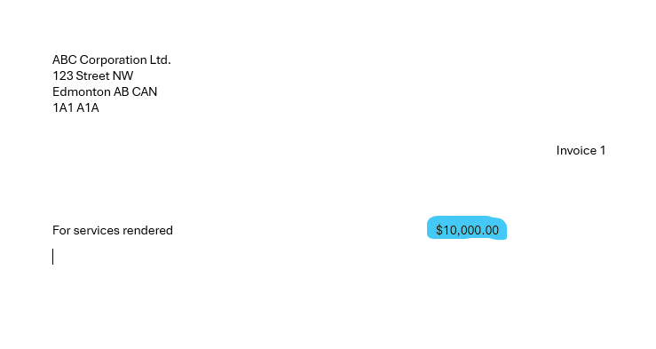

Example 2: Multiple PDFs (or multiple documents within one PDF) to be accrued
Instructions: insert PDF document and complete table showing reconciliation of PDF to GLJE amount.

 |  |  | Page Number | Invoice Amount
 |  |  | 1 | 10,000.00
 |  |  | 2 | 15,000.00
 |  |  | 3 | 9,000.00
 |  |  |  | 34,000.00 | Total for GLJE

Example 3: Deferred Revenue
Instructions: Insert PDF document or screenshot of contract (if one page or less), letter of support, and GL detailed history (use query AAA_GL_JRNL_TRANS_RE) if applicable.

E.g. Sponsorships (defer because sponsorship event takes place after year-end) - including agreement or invoice as well as proof the revenue is in the GL



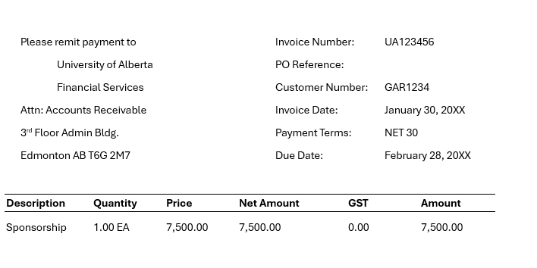

Journals for All Accounts
Unit | Journal | Journal Line Description | Monetary_Amount | Acct | Fund | DeptID | DeptID Short Desc | Program | Program Category | Class | Class Category | Project/Grant | Sponsor | Fiscal Year | Period | Journal_Date | Operator ID | Operator | Source | Line_# | Jrnl Status | Posted | Ref
UOFAB | BIL2201111 | Billing Invoice | -7500 | 402182 | 210 | 111111 | DEPT | 11111 | Program | 111AA | Class |  |  | 20XX | 9 | 1/30/20XX | FSBATCH | PS Internal System | BIL | 1 | P | 1/30/20XX

Example 4: Deferred Revenue - prorated by month

Total value of cost | 700,000
Number of months Deferred | 9
Total to be deferred | 525,000 | Total for GLJE

